Sheet1
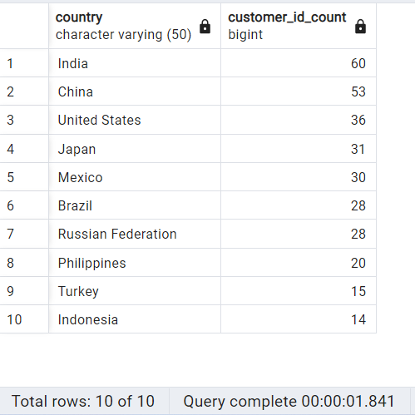
Top 10 countries with the highest number of customers

SELECT D.country,
COUNT (customer_id) AS customer_id_count
FROM customer A
INNER JOIN address B on A.address_id = B. address_id
INNER JOIN city C on B.city_id = C.city_id
INNER JOIN country D on C. country_id = D. country_id
GROUP BY Country
ORDER BY customer_id_count DESC
LIMIT 10

Sheet2
Top 10 cities among the top countries where there are the most customers for Rockbuster

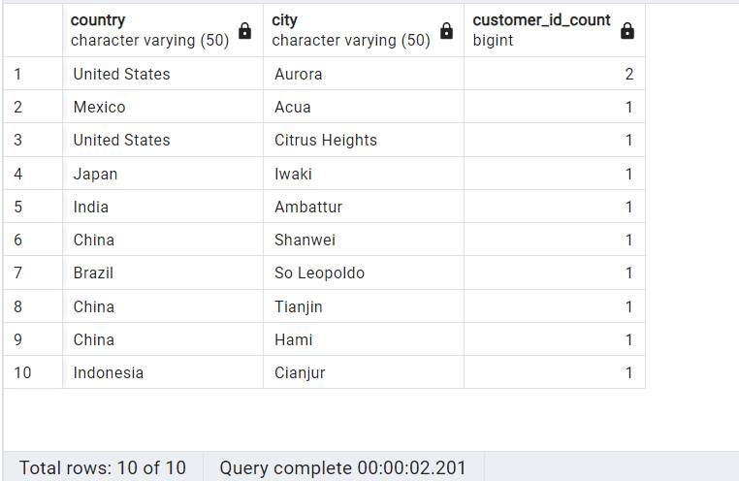
SELECT D.country,
C.city,
COUNT (customer_id) AS customer_id_count
FROM customer A
INNER JOIN address B on A.address_id = B.address_id
INNER JOIN city C on B.city_id = C.city_id
INNER JOIN country D on C.country_id = D.country_id
WHERE D.country IN ('India', 'China', 'United States', 'Japan', 'Mexico', 'Brazil', 'Russian Federation'
 | 'Phillipines', 'Turkey', 'Indonesia')
GROUP BY country, city
ORDER BY customer_id_count DESC
LIMIT 10

Sheet4
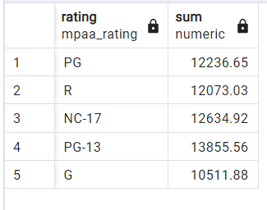
Most revenue gained from movies according to rating

SELECT D.rating, SUM(A.amount)
FROM payment A
INNER JOIN rental B ON A.rental_id = B.rental_id
INNER JOIN inventory C ON B.inventory_id = C.inventory_id
INNER JOIN film D ON C.film_id = D.film_id
GROUP BY D.rating

Sheet5
Most total amount generated according to category of movies
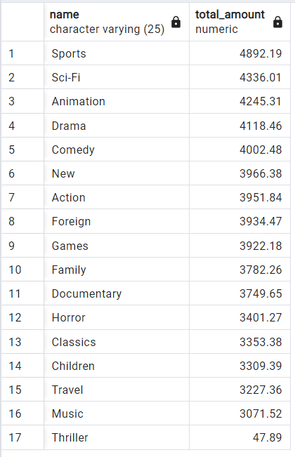
SELECT E.name,
SUM(A.amount) AS total_amount
FROM payment A
INNER JOIN rental B ON A.rental_id = B.rental_id
INNER JOIN inventory C ON B.inventory_id = C.inventory_id
INNER JOIN film_category D ON C.film_id = D.film_id
INNER JOIN category E ON D.category_id = E.category_id
GROUP BY E.name
ORDER BY total_amount DESC

Sheet6
Descriptive statistics for film table

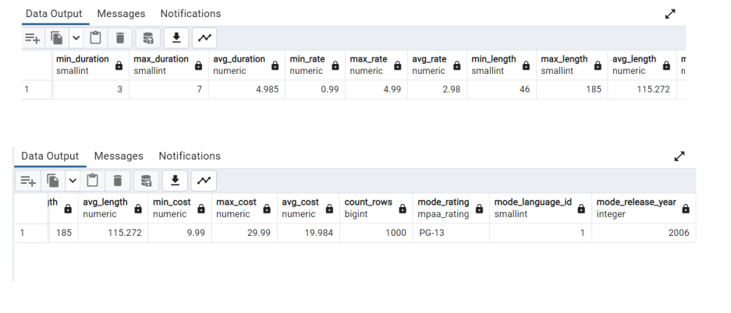
SELECT MIN(rental_duration) AS min_duration,
MAX(rental_duration) AS max_duration,
AVG(rental_duration) AS avg_duration,
MIN(rental_rate) AS min_rate,
MAX(rental_rate) AS max_rate,
AVG(rental_rate) AS avg_rate,
MIN(length) AS min_length,
MAX(length) AS max_length,
AVG(length) AS avg_length,
MIN(replacement_cost) AS min_cost,
MAX(replacement_cost) AS max_cost,
AVG(replacement_cost) AS avg_cost,
COUNT (*) AS count_rows,
mode() WITHIN GROUP (ORDER BY rating) AS mode_rating,
mode() WITHIN GROUP (ORDER BY language_id) AS mode_language_id,
mode() WITHIN GROUP (ORDER BY release_year) AS mode_release_year
FROM film

